MAP
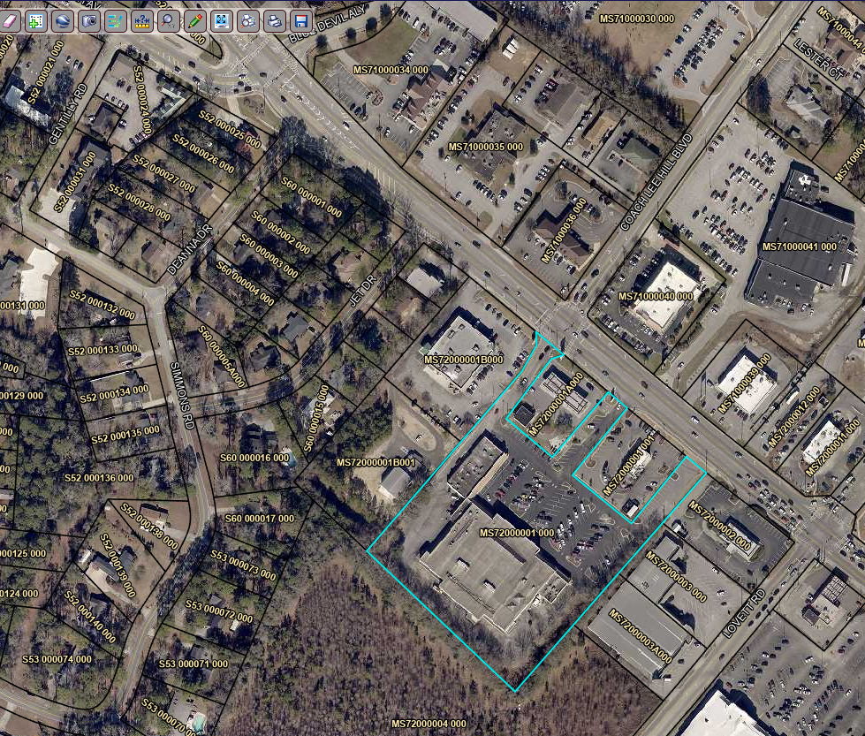

10

5
7

6

4

8
1
3

9
2

